RQ1-2
Year | Number of databases created | Number of databases discontinued | Net database creation
1991 | 12 | 0 | 12
1992 | 2 | 0 | 2
1993 | 5 | 0 | 5
1994 | 12 | 0 | 12
1995 | 0 | 0 | 0
1996 | 18 | 0 | 18
1997 | 14 | 1 | 13
1998 | 31 | 1 | 30
1999 | 37 | 1 | 36
2000 | 37 | 4 | 33
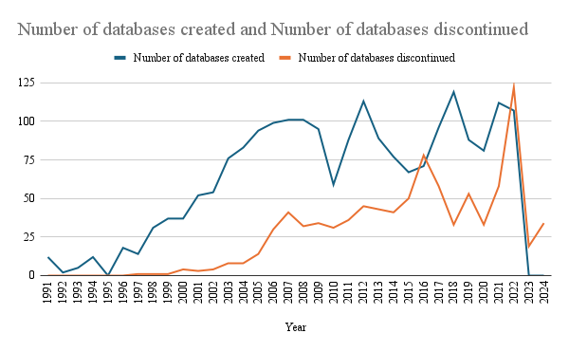
2001 | 52 | 3 | 49 |  | median database ceation | median database discontinued
2002 | 54 | 4 | 50 | 1991-2005 | 31 | 30
2003 | 76 | 8 | 68 | 2005-now | 91.5 | 47
2004 | 83 | 8 | 75
2005 | 94 | 14 | 80
2006 | 99 | 30 | 69
2007 | 101 | 41 | 60
2008 | 101 | 32 | 69
2009 | 95 | 34 | 61
2010 | 59 | 31 | 28
2011 | 88 | 36 | 52
2012 | 113 | 45 | 68
2013 | 89 | 43 | 46
2014 | 77 | 41 | 36
2015 | 67 | 50 | 17
2016 | 71 | 78 | -7
2017 | 96 | 58 | 38
2018 | 119 | 33 | 86
2019 | 88 | 53 | 35
Net database creation vs. Year
2020 | 81 | 33 | 48
2021 | 112 | 58 | 54
2022 | 107 | 122 | -15
2023 | 0 | 19 | -19
2024 | 0 | 34 | -34

RQ3
Number of Databases vs. Lifespan
Lifespan | Number of Databases
0 | 38
1 | 40
2 | 52 | Lifespan | Proportion of databases
3 | 76 | <5 years | 22.88888889
4 | 69 | 6-10 years | 35.44444444
5 | 58 | >10 years | 41.66666667
6 | 57
7 | 76
8 | 59
9 | 65
10 | 51
11 | 52
12 | 44
13 | 37
14 | 30
15 | 23
16 | 13
17 | 14
18 | 14
19 | 9
20 | 4
21 | 3
22 | 3
23 | 7
24 | 3
25 | 2
26 | 0
27 | 0
28 | 0
29 | 1
30 | 0

total nb | 900

